Pinout
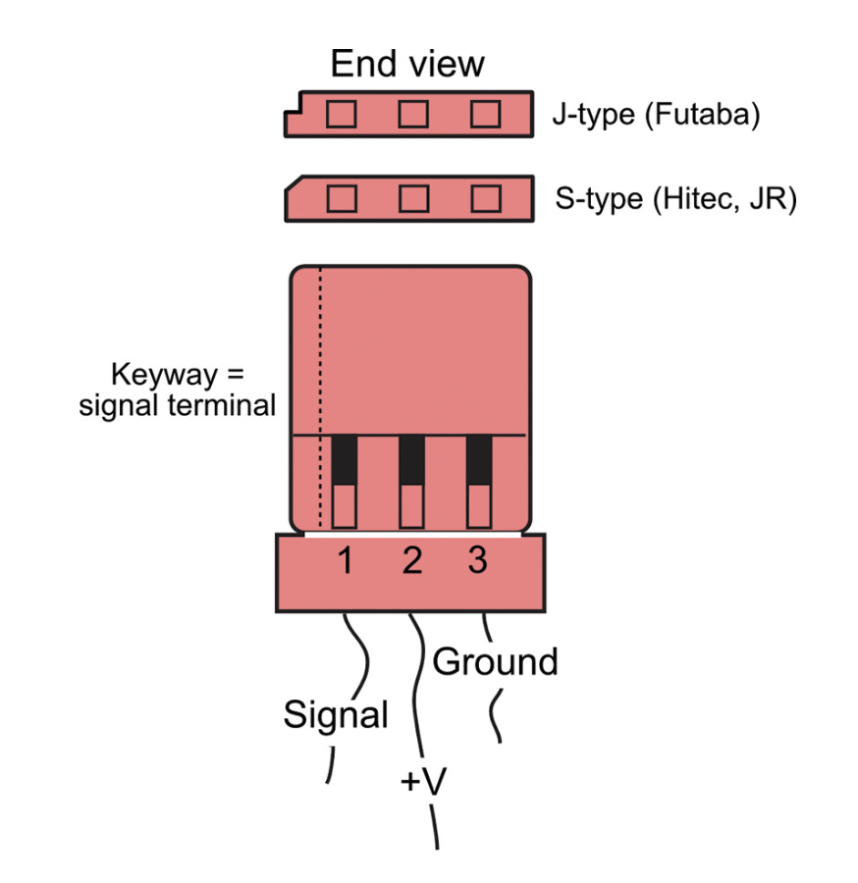
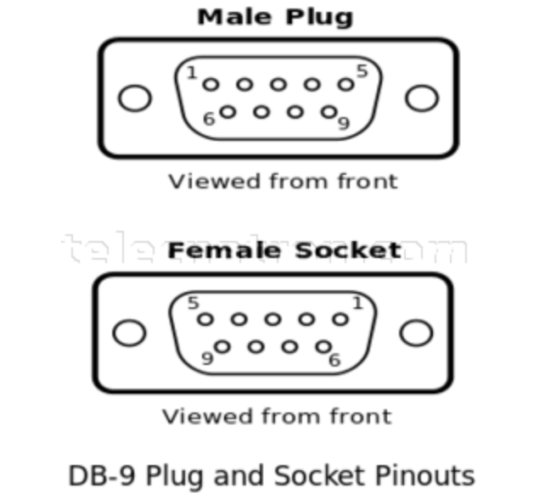
1
2
3
4
5
6
Panel Layout | LEGEND
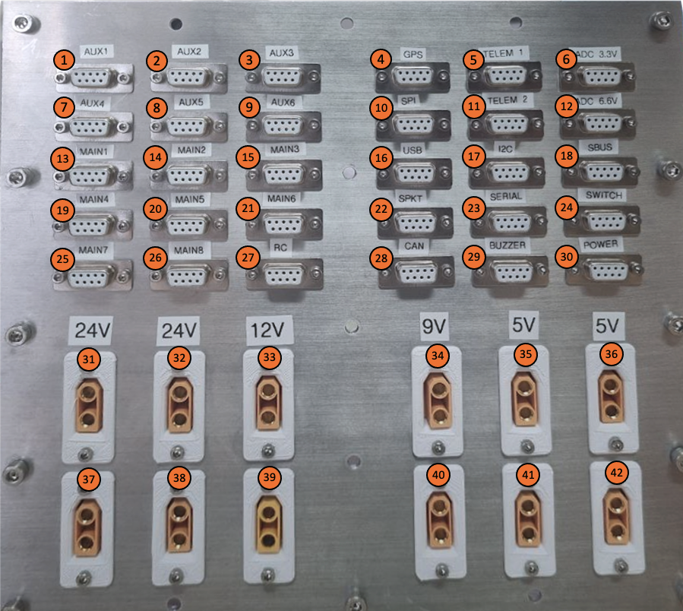 |  | PANEL_PWM_9 | PANEL_PWM_10 | PANEL_PWM_11 | PANEL_GPS | PANEL_TELEM_1 | PANEL_ADC_3.3V

7
8
9
10
11
12
 |  | PANEL_PWM_12 | PANEL_PWM_13 | PANEL_PWM_14 | PANEL_SPI | PANEL_TELEM_2 | PANEL_ADC_6.6V

13
14
15
16
17
18
 |  | PANEL_PWM_1 | PANEL_PWM_2 | PANEL_PWM_3 | PANEL_USB | PANEL_I2C | PANEL_SBUS

19
20
21
22
23
24
 |  | PANEL_PWM_4 | PANEL_PWM_5 | PANEL_PWM_6 | PANEL_SPKT | PANEL_SERIAL | PANEL_SWITCH

25
26
27
28
29
30
 |  | PANEL_PWM_7 | PANEL_PWM_8 | PANEL_PWM_15 | PANEL_CAN | PANEL_BUZZER | PANEL_POWER
5V
5V
9V
12V
24V
24V
31
32
33
34
35
36
 |  | PANEL_5V_1 | PANEL_5V_3 | PANEL_9V_1 | PANEL_12V_1 | PANEL_24V_1 | PANEL_24V_3

37
38
39
40
41
42
 |  | PANEL_5V_2 | PANEL_5V_4 | PANEL_9V_2 | PANEL_12V_2 | PANEL_24V_2 | PANEL_24V_4

